Titreuses
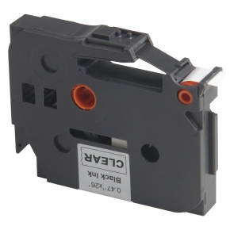

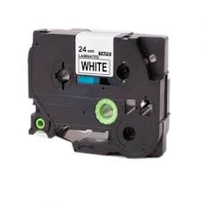
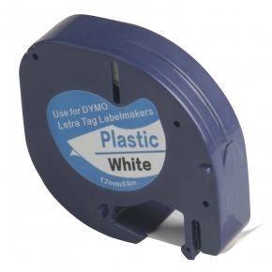
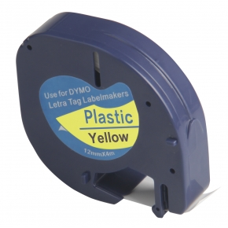
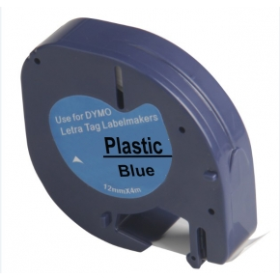
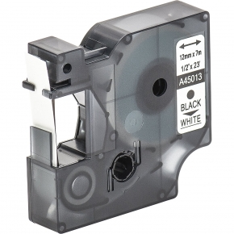
www.nancy-planetcartouche.fr
Constructeur | ID de Commande | PA € HT | Prix TTC | Référence OEM (constructeur) | Couleur | Composition | Capacité
Brother | ETIQ-BR-TZ131 | 2.90 € | 11.48 € | TZe 131 | Transparent | ETIQUETTE RUBAN CASSETTE COMPATIBLE BROTHER TZe 131 (12mm x 8m) TRANSPARENT | 8 mètres
Brother | ETIQ-BR-TZ221 | 3.69 € | 12.43 € | TZe 221 | Blanc | ETIQUETTE RUBAN CASSETTE COMPATIBLE BROTHER TZe 221 (9mm x 8m) BLANC | 8 mètres
Brother | ETIQ-BR-TZ231 | 2.61 € | 11.13 € | TZe 231 | Blanc | ETIQUETTE RUBAN CASSETTE COMPATIBLE BROTHER TZe 231 (12mm x 8m) BLANC | 8 mètres
Dymo | ETIQ-DY-S0721610 | 2.07 € | 10.48 € | S0721610 | Blanc | ETIQUETTE RUBAN CASSETTE COMPATIBLE DYMO S0721610 (4m x 12mm) BLANC | 4 mètres
Dymo | ETIQ-DY-S0721620 | 1.20 € | 9.44 € | S0721620 | Jaune | ETIQUETTE RUBAN CASSETTE COMPATIBLE DYMO S0721620 (4m x 12mm) JAUNE | 4 mètres
Dymo | ETIQ-DY-S0721650 | 1.20 € | 9.44 € | S0721650 | Bleu | ETIQUETTE RUBAN CASSETTE COMPATIBLE DYMO S0721650 (4m x 12mm) BLEU | 4 mètres
Dymo | ETIQ-DY-S0720530 | 2.90 € | 11.48 € | S0720530 | Blanc | ETIQUETTE RUBAN CASSETTE COMPATIBLE DYMO S0720530 (7m x 12mm) WHITE | 7 mètres

